目錄及搜尋方法
目錄：
A ALIMENTARY TRACT AND METABOLISM
B BLOOD AND BLOOD FORMING ORGANS
C CARDIOVASCULAR SYSTEM
D DERMATOLOGICALS
G GENITO URINARY SYSTEM AND SEX HORMONES
H SYSTEMIC HORMONAL PREPARATIONS, EXCL. SEX HORMONES AND INSULINS
J ANTIINFECTIVES FOR SYSTEMIC USE
1.
L ANTINEOPLASTIC AND IMMUNOMODULATING AGENTS
M MUSCULO-SKELETAL SYSTEM
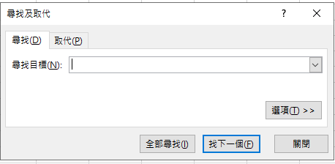
N NERVOUS SYSTEM
P ANTIPARASITIC PRODUCTS, INSECTICIDES AND REPELLENTS
R RESPIRATORY SYSTEM
S SENSORY ORGANS
V VARIOUS

搜尋方式：
1.Ctrl+F叫出"尋找"視窗
2.點選"選項"，將搜尋範圍改成"活頁簿"後，就可以在搜尋欄打學名、商品名、藥理分類了
2.

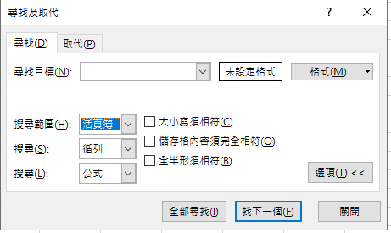

最後更新日期：2026/6/9

